Table 1
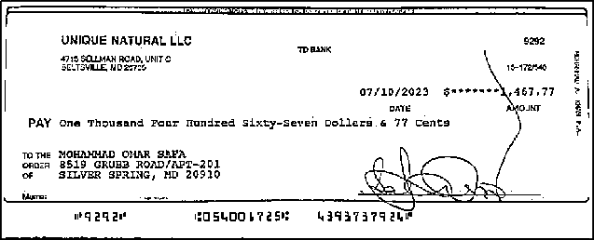
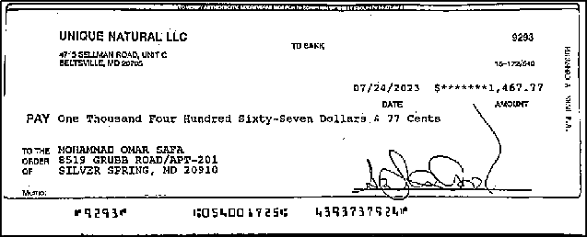
E STATEMENT OF ACCOUNT
UNIQUE NATURAL LLC 4715 SELLMAN RD UNIT C BELTSVILL MD 20705 |  |  |  |  | Page: 1 of 8 Statement Period: Aug 01 2023-Aug 31 2023 Cust Ref #: 4393737924-717-E-*** Primary Account #: 439-3737924
TD Business Convenience Plus UNIQUE NATURAL LLC Account # 439-3737924
ACCOUNT SUMMARY
Beginning Balance |  |  |  |  |  | 25,534.85 |  |  | Average Collected Balance |  |  |  |  |  |  |  | 17,111.99
Deposits |  |  |  |  |  | 10,787.49 |  |  | Interest Earned This Period |  |  |  |  |  |  |  | 0.00
Electronic Deposits |  |  |  |  |  | 45,036.66 |  |  | Interest Paid Year-to-Date |  |  |  |  |  |  |  | 0.00
 |  |  |  |  |  |  |  |  | Annual Percentage Yield Earned |  |  |  |  |  |  |  | 0.00%
Checks Paid |  |  |  |  |  | 35,402.12 |  |  | Days in Period |  |  |  |  |  |  |  | 31
Electronic Payments |  |  |  |  |  | 20,524.97
Other Withdrawals |  |  |  |  |  | 1,274.69
Ending Balance |  |  |  |  |  | 24,157.22
 |  |  |  |  |  |  |  |  | Total for this cycle |  |  | Total Year to Date
 |  | Grace Period OD/NSF Refund |  |  |  |  |  |  | $0.00 |  |  | $0.00
DAILY ACCOUNT ACTIVITY
Deposits POSTING DATE | DESCRIPTION |  |  |  |  |  |  |  |  |  |  |  |  |  |  |  | AMOUNT
08/17 | DEPOSIT |  |  |  |  |  |  |  |  |  |  |  |  |  |  |  | 1,079.69
08/25 | DEPOSIT |  |  |  |  |  |  |  |  |  |  |  |  |  |  |  | 6,957.78
08/25 | MOBILE DEPOSIT |  |  |  |  |  |  |  |  |  |  |  |  |  |  |  | 2,750.02
 |  |  |  |  |  |  |  |  |  |  |  |  |  |  |  | Subtotal: | 10,787.49
Electronic Deposits
POSTING DATE | DESCRIPTION |  |  |  |  |  |  |  |  |  |  |  |  |  |  | AMOUNT
08/01 | CCD DEPOSIT, BKCD PROCESSING DEPOSIT 179655001215531 |  |  |  |  |  |  |  |  |  |  |  |  |  |  | 1,187.97
08/02 | CCD DEPOSIT, BKCD PROCESSING DEPOSIT 179655001215531 |  |  |  |  |  |  |  |  |  |  |  |  |  |  | 1,660.31
08/03 | CCD DEPOSIT, BKCD PROCESSING DEPOSIT 179655001215531 |  |  |  |  |  |  |  |  |  |  |  |  |  |  | 880.82
08/04 | CCD DEPOSIT, BKCD PROCESSING DEPOSIT 179655001215531 |  |  |  |  |  |  |  |  |  |  |  |  |  |  | 541.25
08/07 | CCD DEPOSIT, BKCD PROCESSING DEPOSIT 179655001215531 |  |  |  |  |  |  |  |  |  |  |  |  |  |  | 2,460.84
08/07 | CCD DEPOSIT, BKCD PROCESSING DEPOSIT 179655001215531 |  |  |  |  |  |  |  |  |  |  |  |  |  |  | 2,186.00
08/07 | CCD DEPOSIT, BKCD PROCESSING DEPOSIT 179655001215531 |  |  |  |  |  |  |  |  |  |  |  |  |  |  | 2,083.90
08/08 | CCD DEPOSIT, BKCD PROCESSING DEPOSIT 179655001215531 |  |  |  |  |  |  |  |  |  |  |  |  |  |  | 1,422.75
08/09 | CCD DEPOSIT, BKCD PROCESSING DEPOSIT 179655001215531 |  |  |  |  |  |  |  |  |  |  |  |  |  |  | 1,103.02
08/10 | CCD DEPOSIT, BKCD PROCESSING DEPOSIT 179655001215531 |  |  |  |  |  |  |  |  |  |  |  |  |  |  | 1,524.50
08/11 | CCD DEPOSIT, BKCD PROCESSING DEPOSIT 179655001215531 |  |  |  |  |  |  |  |  |  |  |  |  |  |  | 1,037.89
08/14 | CCD DEPOSIT, BKCD PROCESSING DEPOSIT 179655001215531 |  |  |  |  |  |  |  |  |  |  |  |  |  |  | 2,287.31
08/14 | CCD DEPOSIT, BKCD PROCESSING DEPOSIT 179655001215531 |  |  |  |  |  |  |  |  |  |  |  |  |  |  | 1,657.76
08/14 | CCD DEPOSIT, BKCD PROCESSING DEPOSIT 179655001215531 |  |  |  |  |  |  |  |  |  |  |  |  |  |  | 1,493.27
08/15 | CCD DEPOSIT, BKCD PROCESSING DEPOSIT 179655001215531 |  |  |  |  |  |  |  |  |  |  |  |  |  |  | 1,326.26
Bank Deposits FDIC Insured | TD Bank, N.A. | Equal Housing Lender
Call 1-800-937-2000 for 24-hour Bank-by-Phone services or connect to www.tdbank.com

Ending Balance
24,157.22
Total + Deposits
Sub Total
Total - Withdrawals
Adjusted Balance
Total Deposits
Total
Withdrawals
How to Balance your Account |  |  |  |  |  |  |  |  |  |  | Page: 2 of 8
Begin by adjusting your account register as follows: • Subtract any services charges shown on this statement. • Subtract any automatic payments, transfers or other electronic with- drawals not previously recorded. • Add any interest earned if you have an interest-bearing account. • Add any automatic deposit or overdraft line of credit. • Review all withdrawals shown on this statement and check them off in your account register. • Follow instructions 2-5 to verify your ending account balance. |  |  |  |  |  |  |  | 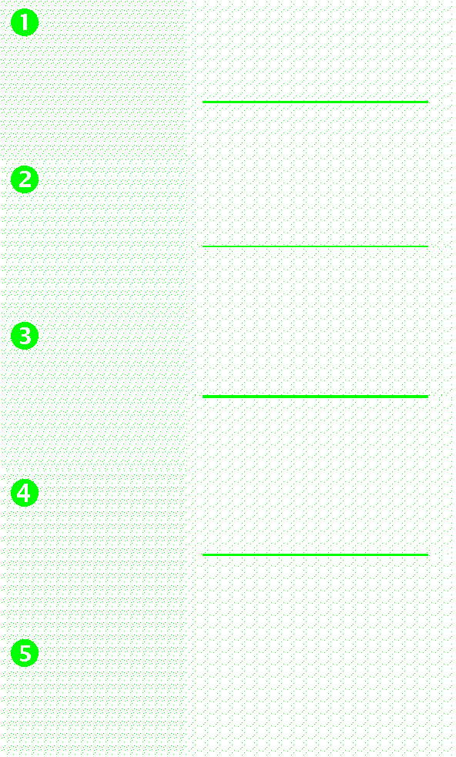 1. Your ending balance shown on this statement is: 2. List below the amount of deposits or credit transfers which do not appear on this statement. Total the deposits and enter on Line 2. 3. Subtotal by adding lines 1 and 2. 4. List below the total amount of withdrawals that do not appear on this statement. Total the withdrawals and enter on Line 4. 5. Subtract Line 4 from 3. This adjusted balance should equal your account balance.
FOR CONSUMER ACCOUNTS ONLY — IN CASE OF ERRORS OR QUESTIONS ABOUT YOUR ELECTRONIC FUNDS TRANSFERS: If you need information about an electronic fund transfer or if you believe there is an error on your bank statement or receipt relating to an electronic fund transfer, telephone the bank immediately at the phone number listed on the front of your statement or write to: TD Bank, N.A., Deposit Operations Dept, P.O. Box 1377, Lewiston, Maine 04243-1377 We must hear from you no later than sixty (60) calendar days after we sent you the first statement upon which the error or problem first appeared. When contacting the Bank, please explain as clearly as you can why you believe there is an error or why more information is needed. Please include: • Your name and account number. • A description of the error or transaction you are unsure about. • The dollar amount and date of the suspected error. When making a verbal inquiry, the Bank may ask that you send us your complaint in writing within ten (10) business days after the first telephone call. We will investigate your complaint and will correct any error promptly. If we take more than ten (10) business days to do this, we will credit your account for the amount you think is in error, so that you have the use of the money during the time it takes to complete our investigation. INTEREST NOTICE Total interest credited by the Bank to you this year will be reported by the Bank to the Internal Revenue Service and State tax authorities. The amount to be reported will be reported separately to you by the Bank. |  |  |  |  |  |  |  |  |  | FOR CONSUMER LOAN ACCOUNTS ONLY — BILLING RIGHTS SUMMARY In case of Errors or Questions About Your Bill: If you think your bill is wrong, or if you need more information about a transaction on your bill, write us at P.O. Box 1377, Lewiston, Maine 04243-1377 as soon as possible. We must hear from you no later than sixty (60) days after we sent you the FIRST bill on which the error or problem appeared. You can telephone us, but doing so will not preserve your rights. In your letter, give us the following information: • Your name and account number. • The dollar amount of the suspected error. • Describe the error and explain, if you can, why you believe there is an error. If you need more information, describe the item you are unsure about. You do not have to pay any amount in question while we are investigating, but you are still obligated to pay the parts of your bill that are not in question. While we investigate your question, we cannot report you as delinquent or take any action to collect the amount you question. FINANCE CHARGES: Although the Bank uses the Daily Balance method to calculate the finance charge on your Moneyline/Overdraft Protection account (the term "ODP" or "OD" refers to Overdraft Protection), the Bank discloses the Average Daily Balance on the periodic statement as an easier method for you to calculate the finance charge. The finance charge begins to accrue on the date advances and other debits are posted to your account and will continue until the balance has been paid in full. To compute the finance charge, multiply the Average Daily Balance times the Days in Period times the Daily Periodic Rate (as listed in the Account Summary section on the front of the statement). The Average Daily Balance is calculated by adding the balance for each day of the billing cycle, then dividing the total balance by the number of Days in the Billing Cycle. The daily balance is the balance for the day after advances have been added and payments o

UNIQUE NATURAL LLC |  |  |  | Page: 3 of 8 Statement Period: Aug 01 2023-Aug 31 2023 Cust Ref #: 4393737924-717-E-*** Primary Account #: 439-3737924
DAILY ACCOUNT ACTIVITY Electronic Deposits (continued)
POSTING DATE | DESCRIPTION |  |  |  |  |  |  |  |  |  |  |  |  |  |  |  | AMOUNT
08/16 | CCD DEPOSIT, BKCD PROCESSING DEPOSIT 179655001215531 |  |  |  |  |  |  |  |  |  |  |  |  |  |  |  | 2,095.04
08/17 | CCD DEPOSIT, BKCD PROCESSING DEPOSIT 179655001215531 |  |  |  |  |  |  |  |  |  |  |  |  |  |  |  | 1,698.00
08/18 | CCD DEPOSIT, BKCD PROCESSING DEPOSIT 179655001215531 |  |  |  |  |  |  |  |  |  |  |  |  |  |  |  | 869.15
08/21 | CCD DEPOSIT, BKCD PROCESSING DEPOSIT 179655001215531 |  |  |  |  |  |  |  |  |  |  |  |  |  |  |  | 1,229.22
08/21 | CCD DEPOSIT, BKCD PROCESSING DEPOSIT 179655001215531 |  |  |  |  |  |  |  |  |  |  |  |  |  |  |  | 952.85
08/21 | CCD DEPOSIT, BKCD PROCESSING DEPOSIT 179655001215531 |  |  |  |  |  |  |  |  |  |  |  |  |  |  |  | 772.02
08/22 | CCD DEPOSIT, BKCD PROCESSING DEPOSIT 179655001215531 |  |  |  |  |  |  |  |  |  |  |  |  |  |  |  | 2,097.42
08/23 | CCD DEPOSIT, BKCD PROCESSING DEPOSIT 179655001215531 |  |  |  |  |  |  |  |  |  |  |  |  |  |  |  | 1,030.31
08/24 | CCD DEPOSIT, BKCD PROCESSING DEPOSIT 179655001215531 |  |  |  |  |  |  |  |  |  |  |  |  |  |  |  | 1,292.21
08/25 | CCD DEPOSIT, BKCD PROCESSING DEPOSIT 179655001215531 |  |  |  |  |  |  |  |  |  |  |  |  |  |  |  | 580.83
08/28 | CCD DEPOSIT, BKCD PROCESSING DEPOSIT 179655001215531 |  |  |  |  |  |  |  |  |  |  |  |  |  |  |  | 2,267.02
08/28 | CCD DEPOSIT, BKCD PROCESSING DEPOSIT 179655001215531 |  |  |  |  |  |  |  |  |  |  |  |  |  |  |  | 1,897.26
08/28 | CCD DEPOSIT, BKCD PROCESSING DEPOSIT 179655001215531 |  |  |  |  |  |  |  |  |  |  |  |  |  |  |  | 1,674.29
08/29 | CCD DEPOSIT, BKCD PROCESSING DEPOSIT 179655001215531 |  |  |  |  |  |  |  |  |  |  |  |  |  |  |  | 1,583.29
08/30 | CCD DEPOSIT, BKCD PROCESSING DEPOSIT 179655001215531 |  |  |  |  |  |  |  |  |  |  |  |  |  |  |  | 1,258.55
08/31 | CCD DEPOSIT, BKCD PROCESSING DEPOSIT 179655001215531 |  |  |  |  |  |  |  |  |  |  |  |  |  |  |  | 885.35
 | Subtotal: |  |  |  |  |  |  |  |  |  |  |  |  |  |  |  | 45,036.66
Checks Paid No. Checks: 18 *Indicates break in serial sequence or check processed electronically and listed under Electronic Payments
DATE | SERIAL NO. |  |  |  |  | AMOUNT |  |  | DATE |  |  |  |  |  | SERIAL NO. |  | AMOUNT
08/18 | 1183 |  |  |  |  | 16,500.00 |  |  | 08/17 |  |  |  |  |  | 9293 |  | 1,467.77
08/01 | 9274* |  |  |  |  | 806.08 |  |  | 08/04 |  |  |  |  |  | 9294 |  | 2,484.60
08/01 | 9275 |  |  |  |  | 806.08 |  |  | 08/14 |  |  |  |  |  | 9296* |  | 1,122.28
08/23 | 9276 |  |  |  |  | 500.79 |  |  | 08/14 |  |  |  |  |  | 9297 |  | 1,122.28
08/23 | 9277 |  |  |  |  | 500.79 |  |  | 08/22 |  |  |  |  |  | 9301* |  | 806.08
08/04 | 9281* |  |  |  |  | 2,484.60 |  |  | 08/22 |  |  |  |  |  | 9302 |  | 806.08
08/21 | 9288* |  |  |  |  | 806.08 |  |  | 08/23 |  |  |  |  |  | 9311* |  | 752.52
08/21 | 9289 |  |  |  |  | 806.08 |  |  | 08/23 |  |  |  |  |  | 9312 |  | 752.52
08/17 | 9292* |  |  |  |  | 1,467.77 |  |  | 08/24 |  |  |  |  |  | 9317* |  | 1,409.72
 |  |  |  |  |  |  |  |  |  |  |  |  |  |  | Subtotal: |  | 35,402.12
Electronic Payments
POSTING DATE | DESCRIPTION |  |  |  |  |  |  |  |  |  |  |  |  |  | AMOUNT
08/01 | CCD DEBIT, BKCD PROCESSING FEES 179655001215531 |  |  |  |  |  |  |  |  |  |  |  |  |  | 1,089.57
08/01 | CCD DEBIT, BKCD PROCESSING FEES 179655001216134 |  |  |  |  |  |  |  |  |  |  |  |  |  | 169.25
08/02 | TDBANK BILL PAY CHECK, CAPITAL REALITY LLC CHECK# 995041 |  |  |  |  |  |  |  |  |  |  |  |  |  | 7,180.66
08/03 | DEBIT CARD PURCHASE, AUT 080123 VISA DDA PUR |  |  |  |  |  |  |  |  |  |  |  |  |  | 869.66
 |  |  | TMOBILE WEB ORDER 800 672 5390 * WA 4085404032018420
UNIQUE NATURAL LLC |  |  |  | Page: 4 of 8 Statement Period: Aug 01 2023-Aug 31 2023 Cust Ref #: 4393737924-717-E-*** Primary Account #: 439-3737924
DAILY ACCOUNT ACTIVITY Electronic Payments (continued) POSTING DATE DESCRIPTION AMOUNT
08/07 DEBIT CARD PAYMENT, AUT 080623 VISA DDA PUR ADT SECURITY 404205734 WWW ADT COM * FL 4085404032018420 |  |  |  |  |  |  |  |  |  |  |  |  | 50.18
08/14 CCD DEBIT, IRS USATAXPYMT 270362625297622 3,369.18 08/15 ACH DEBIT, PROG CASUALTY INS PREM 968537867 Moham 310.25
08/15 DEBIT CARD PURCHASE, AUT 081423 VISA DDA PUR MD DEPT AGRICULTURE EGOV COM * MD 4085404032018420 08/16 TDBANK BILL PAY CHECK, ST BELTSVILLE VENTURE, LLC CHECK# 995040 |  |  |  |  |  |  |  |  |  |  |  |  |  | 90.00 2,800.00
08/21 CCD DEBIT, MD UI INSURANCE MDUITAXPAY 000000485080823 3,238.51
08/22 DEBIT CARD PURCHASE, AUT 082123 VISA DDA PUR TMOBILE POSTPAID IVR 800 937 8997 * WA 4085404032018420 |  |  |  |  |  |  |  |  |  |  |  |  |  | 96.00
08/23 CCD DEBIT, THE HARTFORD NWTBCLSCIC 16395829 447.60 08/24 ACH DEBIT, COMP OF MARYLAND DIR DB RAD 004823234056064 555.26
08/24 DEBIT CARD PAYMENT, AUT 082323 VISA DDA PUR TMOBILE AUTO PAY 800 937 8997 * WA 4085404032018420 08/24 DEBIT POS, AUT 082423 DDA PURCHASE SUNOCO 80005708 FREDERICKSBUR * VA 4085404028030132 |  |  |  |  |  |  |  |  |  |  |  |  | 203.73 55.12 Subtotal: 20,524.97
Other Withdrawals POSTING DATE DESCRIPTION AMOUNT 08/17 DEBIT 175.00 08/22 DEP RETURN CHARGEBACK 1,079.69 08/22 DEP RETURN FEE 20.00
 |  |  |  |  |  |  |  |  |  |  |  |  |  |  | Subtotal: |  | 1,274.69
DAILY BALANCE SUMMARY
DATE |  |  |  |  |  | BALANCE |  |  | DATE |  |  |  |  |  |  |  | BALANCE
07/31 |  |  |  |  |  | 25,534.85 |  |  | 08/16 |  |  |  |  |  |  |  | 25,729.07
08/01 |  |  |  |  |  | 23,851.84 |  |  | 08/17 |  |  |  |  |  |  |  | 25,396.22
08/02 |  |  |  |  |  | 18,331.49 |  |  | 08/18 |  |  |  |  |  |  |  | 9,765.37
08/03 |  |  |  |  |  | 18,342.65 |  |  | 08/21 |  |  |  |  |  |  |  | 7,868.79
08/04 |  |  |  |  |  | 13,914.70 |  |  | 08/22 |  |  |  |  |  |  |  | 7,158.36
08/07 |  |  |  |  |  | 20,595.26 |  |  | 08/23 |  |  |  |  |  |  |  | 5,234.45
08/08 |  |  |  |  |  | 22,018.01 |  |  | 08/24 |  |  |  |  |  |  |  | 4,302.83
UNIQUE NATURAL LLC |  |  |  | Page: 5 of 8 Statement Period: Aug 01 2023-Aug 31 2023 Cust Ref #: 4393737924-717-E-*** Primary Account #: 439-3737924
DAILY BALANCE SUMMARY
DATE |  |  |  |  |  | BALANCE |  |  | DATE |  |  |  |  |  |  |  | BALANCE
08/09 |  |  |  |  |  | 23,121.03 |  |  | 08/25 |  |  |  |  |  |  |  | 14,591.46
08/10 |  |  |  |  |  | 24,645.53 |  |  | 08/28 |  |  |  |  |  |  |  | 20,430.03
08/11 |  |  |  |  |  | 25,683.42 |  |  | 08/29 |  |  |  |  |  |  |  | 22,013.32
08/14 |  |  |  |  |  | 25,508.02 |  |  | 08/30 |  |  |  |  |  |  |  | 23,271.87
08/15 |  |  |  |  |  | 26,434.03 |  |  | 08/31 |  |  |  |  |  |  |  | 24,157.22
UNIQUE NATURAL LLC |  |  |  | Page: 6 of 8 Statement Period: Aug 01 2023-Aug 31 2023 Cust Ref #: 4393737924-717-E-*** Primary Account #: 439-3737924
Important Notice About Your Account We're committed to keeping you informed when it comes to your banking. Effective immediately, we're updating our Business Deposit Account Agreement (BDAA) for our business, commercial and government banking accounts. Here's a summary of the changes regarding information collection, large cash deposits, and the governing law clause: Our responsibility to obtain information and right to limit large cash deposits This update clarifies our responsibility to obtain, update and verify information identifying your business, individuals associated with your business, or whoever takes actions with respect to your account. We reserve the right to limit large cash deposits to your account and require additional information to comply with applicable law. Governing law clause We've clarified the governing law for accounts that were not opened in TD Bank locations. If you open an additional account remotely, the governing law is the same as for your existing accounts. New accounts opened remotely are governed by federal law and, to the extent not preempted by or inconsistent with federal law, the law of the jurisdiction of your business address at the time you opened the accounts. This change does not apply to government or public entities. You can view the updated BDAA at tdbank.com/exc/pdf/business-deposit-agreement.pdf. If you have any questions, call us at 1-800-493-7562 or visit a TD Bank near you.

UNIQUE NATURAL LLC |  |  |  |  |  |  | Page: 7 of 8 Statement Period: Aug 01 2023-Aug 31 2023 Cust Ref #: 4393737924-717-E-*** Primary Account #: 439-3737924
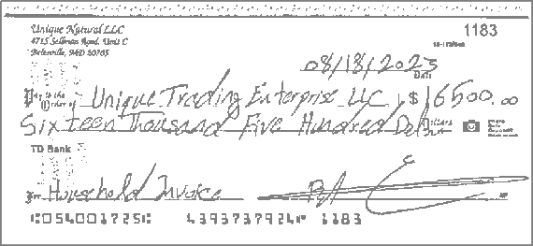 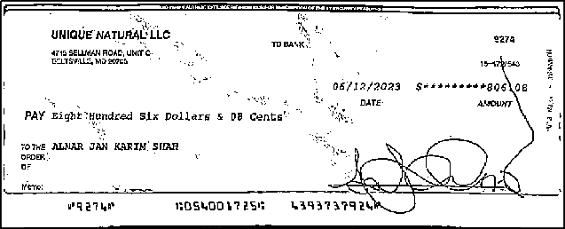 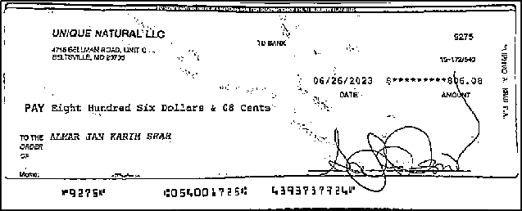 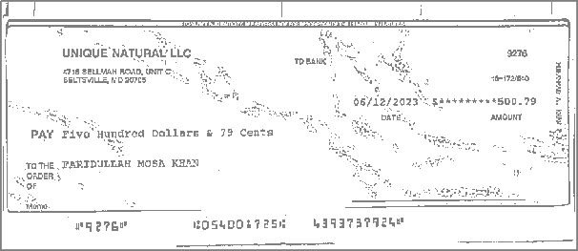 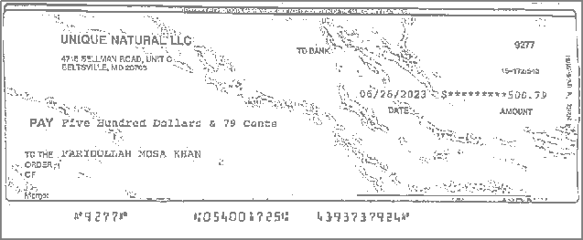 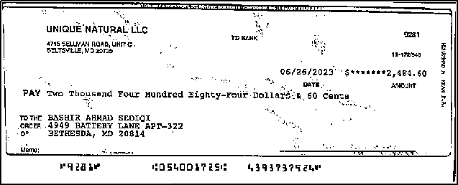 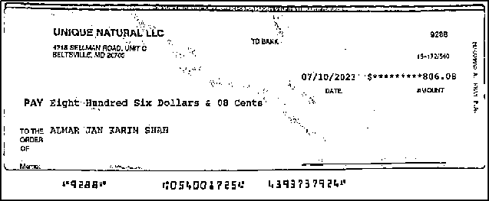 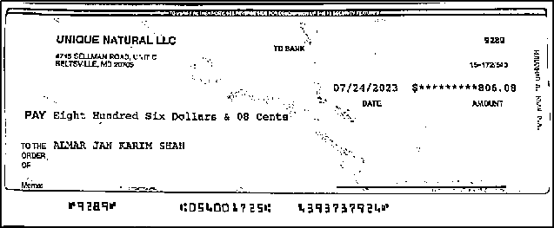 #1183 08/18 $16,500.00 #9274 08/01 $806.08 #9275 08/01 $806.08 #9276 08/23 $500.79 #9277 08/23 $500.79 #9281 08/04 $2,484.60 #9288 08/21 $806.08 #9289 08/21 $806.08 #9292 08/17 $1,467.77 #9293 08/17 $1,467.77

UNIQUE NATURAL LLC |  |  |  |  |  |  | Page: 8 of 8 Statement Period: Aug 01 2023-Aug 31 2023 Cust Ref #: 4393737924-717-E-*** Primary Account #: 439-3737924
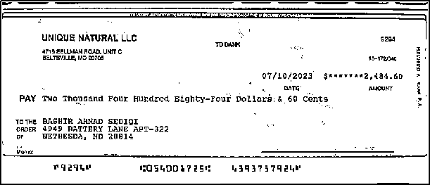 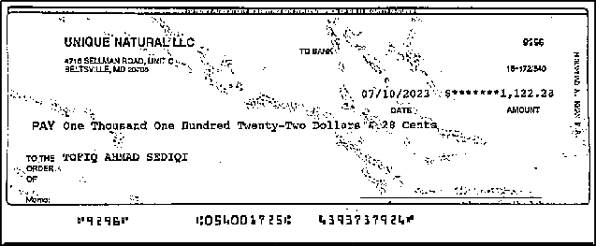 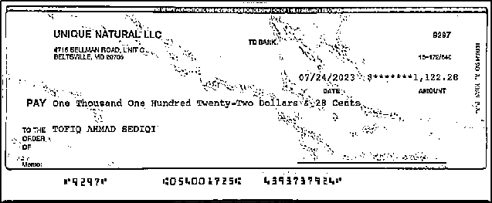 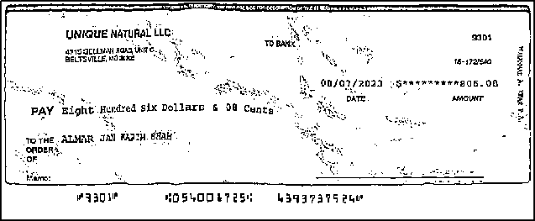 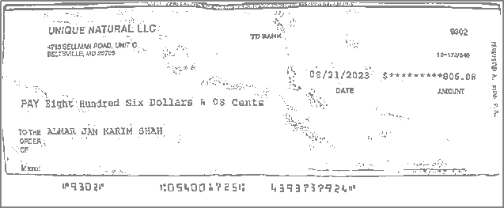 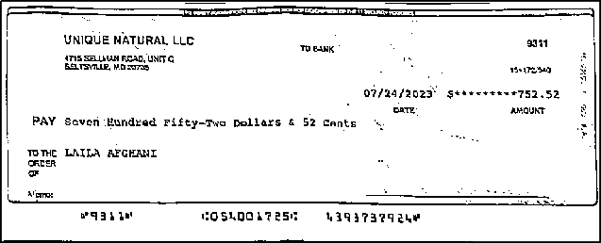 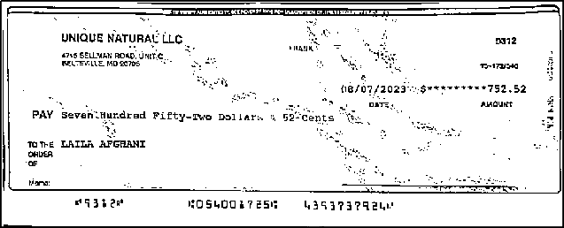 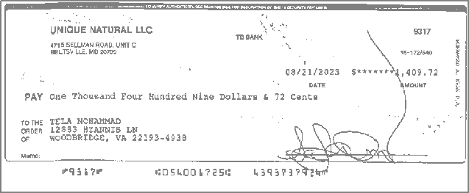 #9294 08/04 $2,484.60 #9296 08/14 $1,122.28 #9297 08/14 $1,122.28 #9301 08/22 $806.08 #9302 08/22 $806.08 #9311 08/23 $752.52 #9312 08/23 $752.52 #9317 08/24 $1,409.72

